data_dictionary
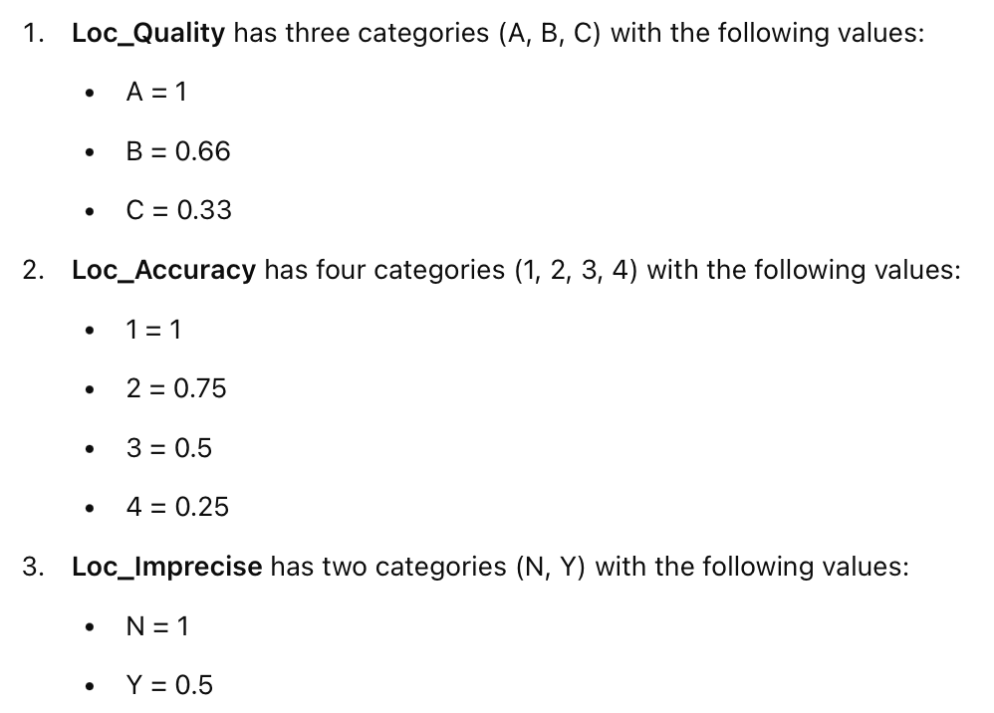
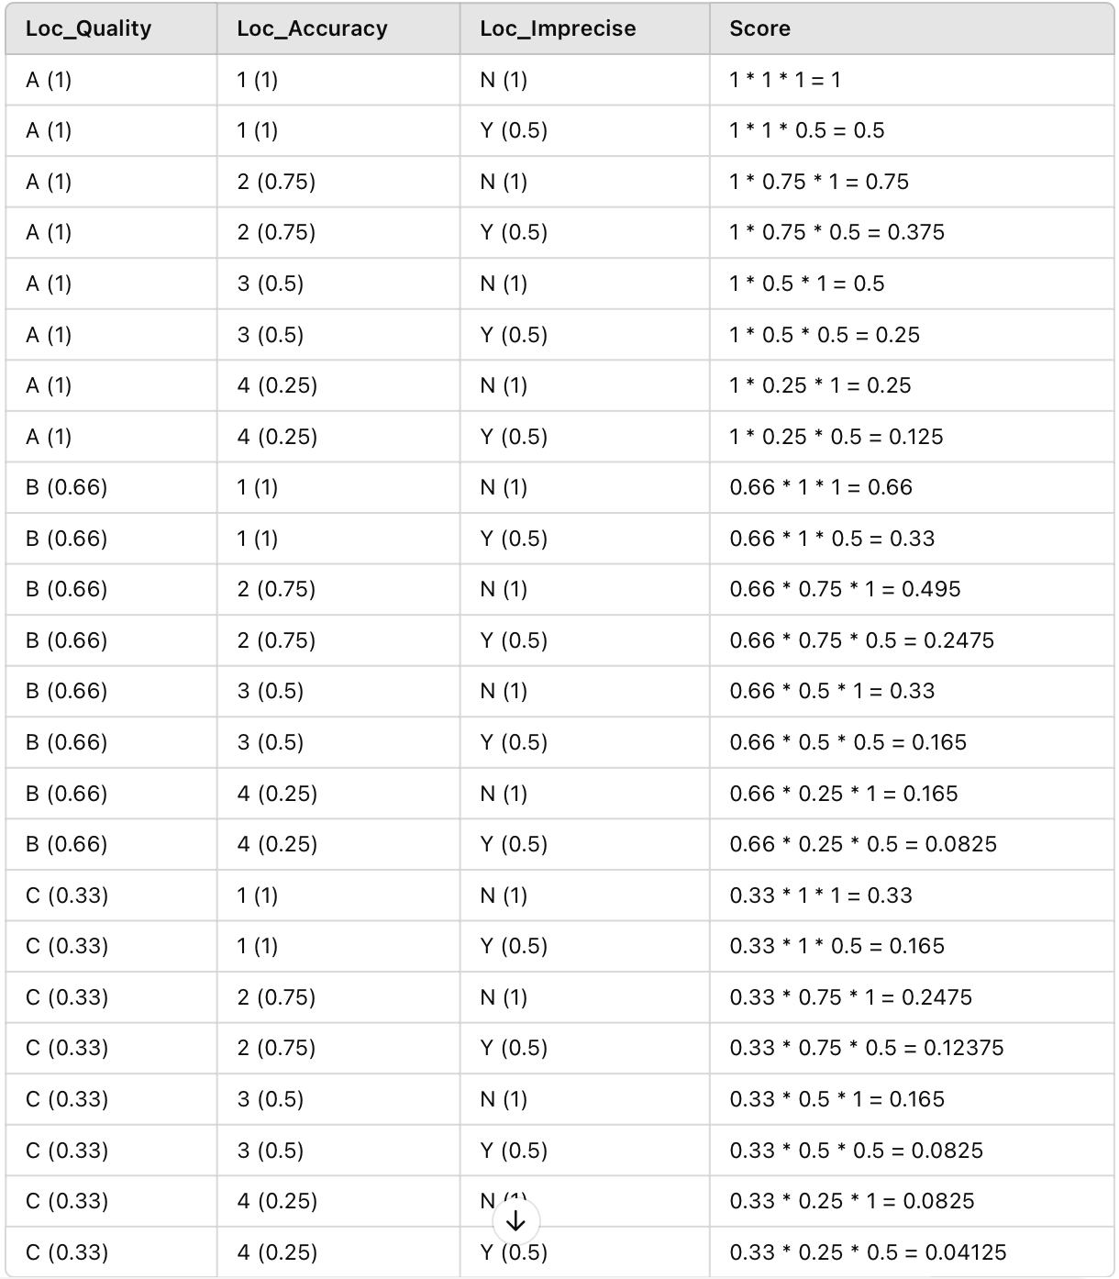
Target variable | Meaning they were dropped at first round. Never have a chance to enter into EDA | Entered into EDA but were drooped and not be use at all | Binary Variable | Entered into EDA, being used to do something, but sadly being dropped thereafter | Target Encoding

Category | Original Column Name | ENG_Rename | Type | Description | missing % | Dropping Reason
Accident Identifiers & Basic Info | NO_SEQ_COLL | Seq_Num | String | Collision Sequence Number
 | AN | Year | Integer | Year |  | Use Acc_Date instead
 | DT_ACCDN | Acc_Date | Date | Date of the Accident
 | JR_SEMN_ACCDN | Acc_Day | String | Day of the Week of the Accident |  | Use Acc_Date instead
 | HEURE_ACCDN | Acc_Time | String | Time of the Accident
Location Details | CD_MUNCP | Municipality_Code | Integer | Municipality Code |  | Because Latitude and Longitude together already provide a highly specific location, such variables add little new information, especially Landmark_Type have , so i decided not to use it.
 | NO_CIVIQ_ACCDN | Street_Num | Integer | Civic Number of the Accident Location | 57.16
 | SFX_NO_CIVIQ_ACCDN | Street_Num_Suffix | String | Civic Number Suffix of the Accident Location | 99.8
 | BORNE_KM_ACCDN | Km_Mark | Float | Kilometer Marker of the Accident Location | 99.95 | Reference point
 | NB_METRE_DIST_ACCD | Distance_Meters | Integer | Number of Meters of Distance from the Accident | 72.19 | Because this is a measure of the distance between the accident to a reference point, but we only care about the location of the accidence. So it’s ignored initially.
 | RUE_ACCDN | Street | String | Street of the Accident Location | 5.62 | Address: Many data points are subordinate and less reliable than exact coordinates, meaning that without precise street or coordinate information, they become meaningless, like 'East Road 30, south of Building 18,' which is too vague to pinpoint. Plus, some details are overly specific, making them too rare to be useful in a model. However, we still need a certain level of detail to identify locations that require more focus, at least allow us to be able to name out which location should be more focused on. So here, I only kept the street name, we retain enough information for practical street-level analysis while avoiding the roblematic variables. Our primary goal is to analyze accident patterns by precise location and general street-level trends, keeping just the Street Name provides a meaningful label for human interpretation while allowing us to perform accurate spatial analysis based on the coordinates.
 | NO_ROUTE | Route_Num | String | Route Number | 99.67
 | CD_PNT_CDRNL_ROUTE | Road_Code | Integer | Road Curvature Code | 99.82
 | CD_PNT_CDRNL_REPRR | Landmark_Code | Integer | Landmark Curvature Code | 68.78
 | TP_REPRR_ACCDN | Landmark_Type | Integer | Type of Accident Landmark | 37.71 | Has been covered in CD_LOCLN_ACCDN (Loc_Code)
 | ACCDN_PRES_DE | Near_To | String | Accident Near | 32.56 | The "Accident Near" variable can offer insights into situational factors that contribute to accidents. Also, it provides a meaningful, human-readable context for the accident’s location, such as nearby schools, a church, a famous tourist place, they are intuitive and interpretable, especially for understanding patterns related to severity, numbers of injury people involved in these area (e.g., high accident rates near schools or busy intersections).
 | REG_ADM | Admin_Region | String | Administrative Region |  | Only select Montreal
 | MRC | County | String | Regional County Municipality |  | 218272 -> 218128
 | LOC_X | LOC_X | Float | Location of collision in X found by the tool | 0 | Use Lontitude and Latitude instead
 | LOC_Y | LOC_Y | Float | Location of collision in Y found by the tool | 0
 | LOC_LONG | Lontitude | Float | Longitude | 0
 | LOC_LAT | Latitude | Float | Latitude | 0
Road conditions & Infrastructure | CD_ETAT_SURFC | Surface_Cond | Integer | Surface Condition Code | 5.84
 | CD_ECLRM | Light_Cond | Integer | Lighting Condition Code | 5.92
 | CD_ENVRN_ACCDN | Environ_Type | Integer | Environment of the Accident Code | 3.23
 | CD_CATEG_ROUTE | Road_Cat | Integer | Route Category Code | 2.91
 | CD_ETAT_CHASS | Road_Cond | Integer | Roadway Condition Code | 75.59 | > 50%
 | CD_ASPCT_ROUTE | Road_Aspect | Integer | Roadway Aspect Code | 4.54
 | CD_LOCLN_ACCDN | Loc_Code | Integer | Location Code of the Accident | 8.13
 | CD_POSI_ACCDN | Pos_Code | Integer | Accident Position Code | 77.45 | > 50%
 | CD_CONFG_ROUTE | Road_Config | Integer | Road Configuration Code | 10.06
 | CD_ZON_TRAVX_ROUTR | Work_Zone | Integer | Roadwork Zone Code | 97.75 | > 50%
 | CD_COND_METEO | Weather_Cond | Integer | Weather Condition Code | 6.23
 | VITESSE_AUTOR | Speed_Limit | Integer | Speed Limit | 37.05
Accident details | CD_GENRE_ACCDN | Acc_Type | Integer | Type of Accident | 4.61
 | CD_SIT_PRTCE_ACCDN | Part_Sit | Integer | Accident Participant Situation Code | 97.62 | > 50%
 | GRAVITE | Severity | String | Severity |  | Has been translated to English
Vehicle counts | NB_VEH_IMPLIQUES_ACCDN | Num_Veh_Invld | Integer | Number of Vehicles Involved in the Accident
 | nb_automobile_camion_leger | Num_Light_Veh | Integer | Number of Light Cars and Trucks |  | They are binary variables now.
 | nb_camionLourd_tractRoutier | Num_Heavy_Truck | Integer | Number of Heavy Trucks and Road Tractors
 | nb_outil_equipement | Num_Equip | Integer | Number of Equipment Vehicles
 | nb_tous_autobus_minibus | Num_Bus | Integer | Number of All Buses and Minibuses
 | nb_bicyclette | Num_Bike | Integer | Number of Bicycles
 | nb_cyclomoteur | Num_Moped | Integer | Number of Mopeds
 | nb_motocyclette | Num_Moto | Integer | Number of Motorcycles
 | nb_taxi | Num_Taxi | Integer | Number of Taxis
 | nb_urgence | Num_Emerg | Integer | Number of Emergency Vehicles
 | nb_motoneige | Num_Snowmobile | Integer | Number of Snowmobiles
 | nb_VHR | Num_OffRoad | Integer | Number of Off-road Vehicles
 | nb_autres_types | Num_Other_Veh | Integer | Number of Other Types
 | nb_veh_non_precise | Num_Unspec_Veh | Integer | Number of Unspecified Vehicles
Casualty counts | NB_MORTS | Num_Death | Integer | Number of Deaths |  | Dropped. After converting to binary varibles, they become meaningless. Refer to Python file to see detailed explanation
 | NB_BLESSES_GRAVES | Num_Serious_Inj | Integer | Number of Serious Injuries
 | NB_BLESSES_LEGERS | Num_Minor_Inj | Integer | Number of Minor Injuries
 | NB_VICTIMES_TOTAL | Total_Victims | Integer | Total Number of Victims
Pedestrian | NB_DECES_PIETON | Num_Ped_Death | Integer | Number of Pedestrian Deaths |  | Dropped. After converting to binary varibles, they become meaningless. Refer to Python file to see detailed explanation
 | NB_BLESSES_PIETON | Num_Ped_Inj | Integer | Number of Pedestrian Injuries
 | NB_VICTIMES_PIETON | Num_Ped_Vic | Integer | Number of Pedestrian Victims
Motorcycle | NB_DECES_MOTO | Num_Moto_Death | Integer | Number of Motorcycle Deaths
 | NB_BLESSES_MOTO | Num_Moto_Inj | Integer | Number of Motorcycle Injuries
 | NB_VICTIMES_MOTO | Num_Moto_Vic | Integer | Number of Motorcycle Victims
Bicycle | NB_DECES_VELO | Num_Bike_Death | Integer | Number of Bicycle Deaths
 | NB_BLESSES_VELO | Num_Bike_Inj | Integer | Number of Bicycle Injuries
 | NB_VICTIMES_VELO | Num_Bike_Vic | Integer | Number of Bicycle Victims
Geolocation Quality | LOC_COTE_QD | Loc_Quality | String | Data quality rating for location |  | They been dropped and a new vraible Creadebility_Score born.
 | LOC_COTE_PD | Loc_Accuracy | String | Data accuracy rating for location
 | LOC_IMPRECISION | Loc_Imprecise | String | Indicator for location imprecision
 | LOC_DETACHEE | Loc_Detached | String | Indicator if accident location is detached from road network | 0.01 | Has been covered in CD_LOCLN_ACCDN (Loc_Code)

